Assignment
EditUserDetails | Add a Edit button to the above JSP page. On click of this button the page created in Day3 should open along with the data populated from DB. On click of the Submit button the updated data should be saved into the DB.

Input Screen
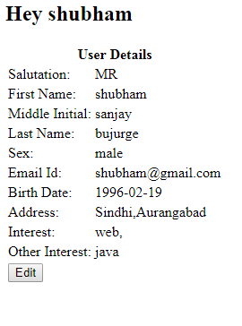

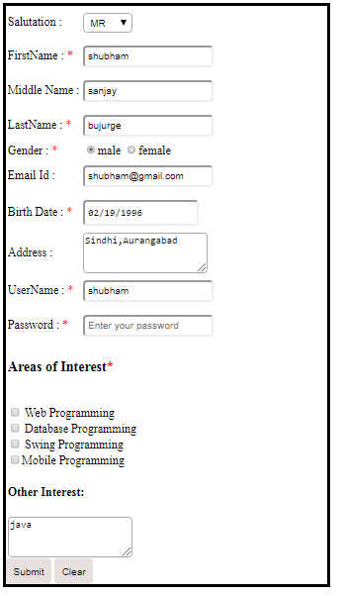
Output Screen

Database

Database

